Tabelle1
Benson et al. 2011 |  |  |  |  |  |  |  |  |  | Idaho State University Website | Figure source: Benson et al. 2011
 |  |  |  |  |  |  |  |  |  | http://geology.isu.edu/Digital_Geology_Idaho/Module14/history/index.htm |  | GI = Gilbert stillstand
 |  | from |  | to |  |  |  |  |  |  |  | ST = Stansbury Oscillation
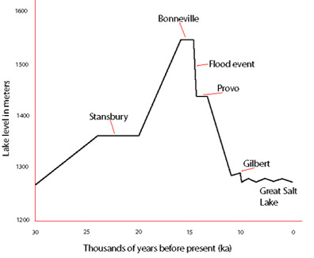
Stansbury Oscillation |  | 25 | ka | 24 | ka | "Stansbury Beach" | 1372 | m | (website) |  |  | HS = Bonneville highstand
Bonneville highstand |  | 18.6 | ka | 17.5 | ka | Highstand | 1552 | m | (website) |  |  | PR = Provo stillstand

Provo level (Red Rock Pass bedrock) |  | 17 | ka | 15.2 | ka | Provo Shoreline | 1440 +- 10 | m | (Benson)
Fall from Provo (precipitation decline) |  | 15.2 | ka | 14.7 | ka
Gilbert shoreline/ wet event |  | 12.9 | ka | 11.6 | ka | Gilbert shoreline | 1295 | m | (website)

 |  |  |  |  |  | Great Salt Lake high | 1285 | m

 |  |  |  |  |  | Great Salt Lake low | 1280 | m

Depth (m)
Great Salt Lake | Lake Bonneville
5 (mean); | 281
10 (maximum)

Bear River Glacier extent and Bonneville size near-coupled
Size of glaciers governed by “lake-effect” moisture

During the latter part of its highstand, the lake overflowed and incised its threshold near the town of Zenda/Red Rock Pass, lowering its overflow
level until it reached a bedrock threshold (karstic limestone of the Blacksmith Formation) at Red Rock Pass, at which time it occupied the Provo shoreline
eroded alluvium and prompting a 17 square kilometer landslide

Isostatic rebound has raised the shoreline left by the Bonneville level unevenly, and its current level varies by 61m of elevation.

